Dashboard
HR
Filter by department
Filter by Gender
Performance
Dashboard
2.6
Average performance rating
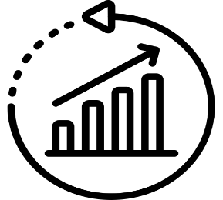

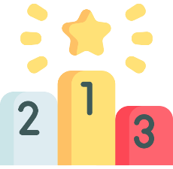
Leave Tracking
Skills Breakdown
Leave taken by job titles
Employees Number

Average Rating
50
 | Analyst | Designer | Developer | HR Specialist | Manager
 | 28 | 110 | 104 | 123 | 122
Regions
Employees per region
Total Employees
 | Total
Central | 14
East | 10
North | 7
South | 10
West | 9
Communication
12
11
Males
 | 48%
 | 52%
Females
Design
 | 52%
 | 48%
7
52%
48%
Analyst
Manager
HR Specialist
Excel
Developer
Designer

Management
11
Age Range
Salaries
Contract | 17
Full-Time | 20
Part-Time | 13
Employement status Breakdown
No. of employees according to age and gender
Males
Part
Time
Employees
Python
9
Females
Total Salaries
3104913
 | Female | Male
18-25 | 6 | 3
26-35 | 7 | 6
36-45 | 5 | 7
46-55 | 4 | 3
56 < | 4 | 5
Manager
731170
13
Work Location
Employees to workplace
HR Specialist
959266
 | 46% | 54%
Branch Office
46%
Developer
633594
Employees
With
Contracts
Full
Time
Employees
 | 16% | 84%
Analyst
Head Office
16%
167041
17
20
Remote
 | 38% | 62%
Designer
613842
38%

